SAI

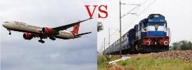
Sai

 |  | Friends, Welcome to all…

 | Organised By:
 | IRA EduTech

 | Faculty: Manoj P Chakerwarti
 | Manoj P Chakerwarti

 | Click Here To View Introduction Page

Regular
Welcome To MS-Excel
Session-01 (April 06, 2024 - Saturday @07:00pm to 10:00pm)
Session-02 (April 07, 2024 - Sunday @09:00am to 12:00pm)
Session-03 (April 13, 2024 - Saturday @07:00pm to 10:00pm)
Session-04 (April 14, 2024 - Sunday @09:00am to 12:00pm)
Corporate Trainer
Manoj P Chakerwarti
M.Sc.;M.Phil.(app.Mathematics); MBA; DCS; PGDBA; PGEXIM;PMP (40 PDUs)
Experience 33 years in Engineering & Manufacturing Companies
LinkedIn 23,000+ Followers
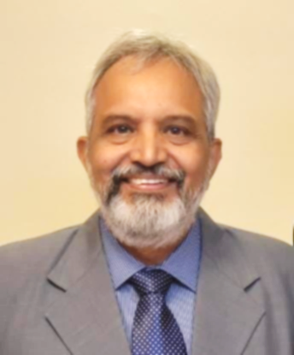

Manoj P Chakerwarti

